Risk-o-Meter and PRC
PRODUCT LABELLING WITH RISKOMETER AND POTENTIAL RISK CLASS MATRIX AS ON MARCH 31, 2026
Scheme name | Scheme Risk o meter | Benchmark Name | Benchmark Risk o meter | Potential Risk Class (PRC)
Abakkus Flexi Cap Fund
"The primary investment objective of the scheme is to generate capital appreciation & provide long-term growth opportunities through equity and equity related instruments by investing in a diversified portfolio of large cap, mid cap and small cap securities and the secondary objective is to generate consistent returns by investing in debt and money market securities. “There is no assurance that the investment objective of the Scheme will be achieved." | 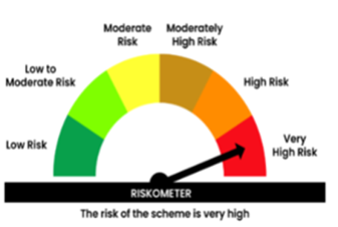 | BSE 500 Index (TRI) | 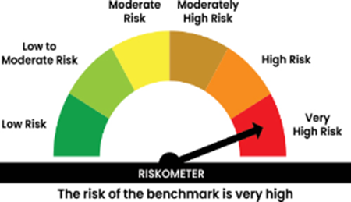 | Not Applicable

Abakkus Small Cap Fund
The Scheme seeks to generate long-term capital appreciation by investing predominantly in equity and equity related securities of Small Cap companies. The Scheme does not guarantee/indicate any returns. There is no assurance that the investment objective of the Scheme will be achieved. |  | NIFTY SmallCap 250 TRI |  | Not Applicable

Abakkus Liquid Fund
"The Investment Objective of the scheme is to generate optimal returns consistent with moderate levels of risk and high liquidity by investing in debt and money market instruments. “There is no assurance that the investment objective of the Scheme will be achieved." | 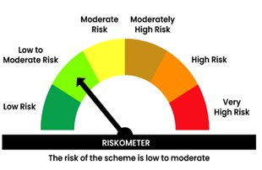 | CRISIL Liquid Debt A-I TRI | 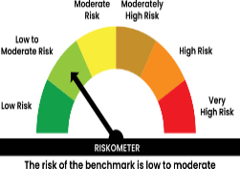 | 