ABALI
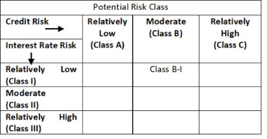
 | Abakkus Liquid Fund

 | Fortnightly Portfolio Statement as on January 15, 2026
 | Name of the Instrument | ISIN | Rating | Quantity | Market/Fair Value (Rs. in Lakhs) | % to Net Assets | YTM~ | YTC^ | null
 | Money Market Instruments
 | Treasury Bill
TBIL2548 | 182 Days Tbill (MD 12/02/2026) | IN002025Y206 | Sovereign | 1,000,000 | 996.21 | 8.98% | 5.15%
TBIL2599 | 91 Days Tbill (MD 12/03/2026) | IN002025X372 | Sovereign | 500,000 | 496.11 | 4.47% | 5.20%
TBIL2559 | 182 Days Tbill (MD 12/03/2026) | IN002025Y248 | Sovereign | 500,000 | 496.11 | 4.47% | 5.20%
TBIL2554 | 182 Days Tbill (MD 27/02/2026) | IN002025Y222 | Sovereign | 438,000 | 435.38 | 3.93% | 5.23%
 | Sub Total |  |  |  | 2,423.81 | 21.85%
 | Total |  |  |  | 2,423.81 | 21.85%
 | Others
 | Corporate Debt Market Development Fund
CDMD50ME | Corporate Debt Market Development Fund | INF0RQ622028 |  | 143 | 16.53 | 0.15%
 | Sub Total |  |  |  | 16.53 | 0.15%
 | Total |  |  |  | 16.53 | 0.15%
 | Reverse Repo / TREPS
TRP_160126 | Clearing Corporation of India Ltd |  |  |  | 8,520.00 | 76.81% | 5.31%
 | Sub Total |  |  |  | 8,520.00 | 76.81%
 | Total |  |  |  | 8,520.00 | 76.81%
 | Net Receivables / (Payables) |  |  |  | 131.31 | 1.19%
 | GRAND TOTAL |  |  |  | 11,091.65 | 100.00%

 | Footnote
 | YTM~ | ~ YTM as on January 15, 2026
 | YTC^ | ^ It is disclosed for Perpetual Bond issued by Banks (i.e. AT-1 Bond / Tier 1 Bond / Tier 2 Bond), as per AMFI Best Practices Guidelines Circular no. 91/2020-21 dated March 24, 2021 on Valuation of AT-1 Bonds and Tier 2 Bonds. As per SEBI Circular SEBI/HO/IMD/PoD1/CIR/P/2024/106 dated August 05, 2024, valuation of AT-1 Bonds are done on Yield to Call basis w.e.f. August 07, 2024. YTC of AT-1 Bonds are now same as it’s YTM% and hence it is not disclosed separately under YTC%.

 | "The Investment Objective of the scheme is to generate optimal returns consistent with moderate levels of risk and high liquidity by investing in debt and money market instruments. “There is no assurance that the investment objective of the Scheme will be achieved."

 | In line with 5.16 of SEBI Master Circular dated June 27, 2024" the name of the scheme's benchmark index and its riskometer is also provided below for information

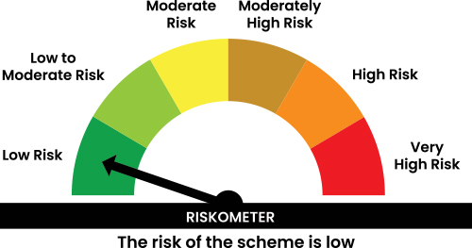

 | Benchmark name - CRISIL Liquid Debt A-I TRI
 | Benchmark Risko-meter

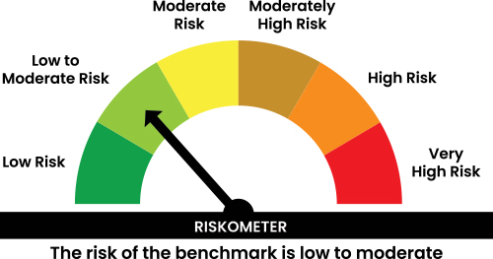

 | In line with 17.5 of SEBI Master Circular dated June 27, 2024 Potential Risk Class (PRC) matrix for the scheme is provided below for information

