Product Labels
Name of Scheme | Scheme Risk-O-Meter | Scheme Benchmark Risk-O-Meter

Abakkus Flexi Cap Fund | Scheme Risk-o-meter# | Benchmark Risk-o-meter# (BSE 500 TRI)
(An open ended dynamic equity scheme investing across large cap, mid cap, small cap stocks)
This product is suitable for investors who are seeking*:
•Capital Appreciation over Long term.
•To generate capital appreciation by investing in equity and equity related instruments across large, mid & small cap stocks.

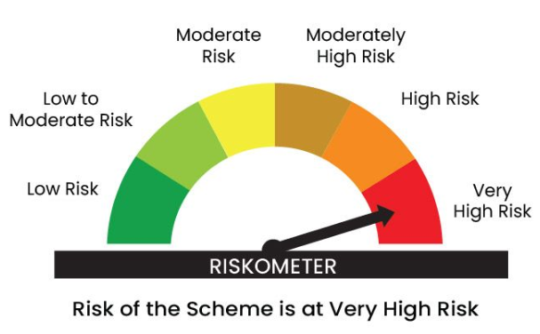
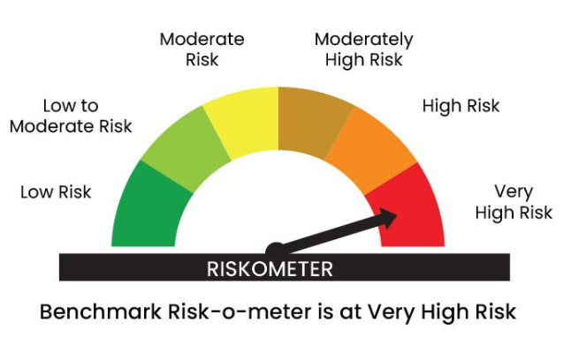
Abakkus Small Cap Fund | Scheme Risk-o-meter# | Benchmark Risk-o-meter# (Nifty Smallcap 250 TRI)
(An open-ended equity scheme predominantly investing in small cap stocks)
This product is suitable for investors who are seeking*:
•Capital Appreciation over the Long term.
•To generate capital appreciation by investing in equity and equity related instruments small cap stocks.

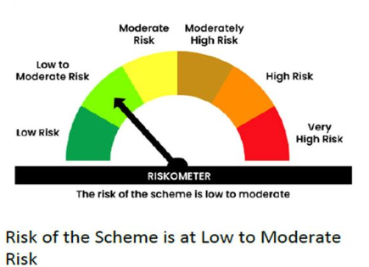
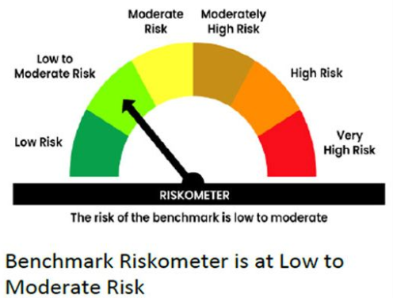
Abakkus Liquid Fund | Scheme Risk-o-meter# | Benchmark Risk-o-meter# (CRISIL Liquid Debt A-1)
(An open-ended liquid scheme – a relatively low interest rate risk and moderate credit risk)
This product is suitable for investors who are seeking*:
• Income over short term.
• Investments in debt and money market Instruments with maturity upto 91 days.

# Benchmark and Scheme Riskometer as on July 31 2026. For latest risk-o-meter, investors may refer to the Monthly Portfolios disclosed on the website viz. https://www.abakkusmf.com/

Abakkus Flexi Cap Fund
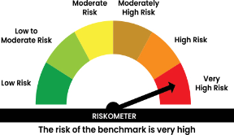
 | Dashboard
ABAFC | Abakkus Mutual Fund
 | Abakkus Flexi Cap Fund
 | Monthly Portfolio Statement as on July 31, 2026

 | Name of the Instrument | ISIN | Industry* / Rating | Quantity | Market/Fair Value (Rs. in Lakhs) | % to Net Assets | YTM | YTC^
 | Equity & Equity related
 | (a) Listed / awaiting listing on Stock Exchanges
IBCL05 | ICICI Bank Limited | INE090A01021 | Banks | 2,450,000 | 35,167.30 | 5.55
HDFB03 | HDFC Bank Limited | INE040A01034 | Banks | 4,000,000 | 29,926.00 | 4.72
SBAI02 | State Bank of India | INE062A01020 | Banks | 2,400,000 | 24,657.60 | 3.89
RIND01 | Reliance Industries Limited | INE002A01018 | Petroleum Products | 1,500,000 | 19,617.00 | 3.10
DIVI02 | Divi's Laboratories Limited | INE361B01024 | Pharmaceuticals & Biotechnology | 231,807 | 18,674.37 | 2.95
MAHI02 | Mahindra & Mahindra Limited | INE101A01026 | Automobiles | 530,000 | 18,012.05 | 2.84
FEBA02 | The Federal Bank Limited | INE171A01029 | Banks | 5,000,000 | 17,942.50 | 2.83
VAML01 | Vedanta Aluminium Metal Limited | INE1CDF01017 | Non - Ferrous Metals | 3,700,000 | 16,805.40 | 2.65
IFEL01 | Oracle Financial Services Software Limited | INE881D01027 | IT - Software | 150,000 | 16,779.00 | 2.65
BINL01 | Indus Towers Limited | INE121J01017 | Telecom - Services | 4,250,000 | 16,621.75 | 2.62
NTPC01 | NTPC Limited | INE733E01010 | Power | 4,750,000 | 16,494.38 | 2.60
IIFM02 | 360 One WAM Limited | INE466L01038 | Capital Markets | 1,450,000 | 16,461.85 | 2.60
IPAM01 | ICICI Prudential Asset Management Company Limited | INE346A01027 | Capital Markets | 527,552 | 16,437.99 | 2.59
WABT01 | ZF Commercial Vehicle Control Systems India Limited | INE342J01019 | Auto Components | 648,581 | 15,682.04 | 2.47
INOI01 | Inox India Limited | INE616N01034 | Industrial Products | 800,000 | 15,264.00 | 2.41
TISC03 | Tata Steel Limited | INE081A01020 | Ferrous Metals | 7,000,000 | 13,278.30 | 2.10
AETH01 | Aether Industries Limited | INE0BWX01014 | Chemicals & Petrochemicals | 850,000 | 13,086.60 | 2.06
LARS02 | Larsen & Toubro Limited | INE018A01030 | Construction | 326,636 | 12,865.87 | 2.03
TMLC01 | Tata Motors Ltd | INE1TAE01010 | Agricultural, Commercial & Construction Vehicles | 2,938,848 | 12,836.89 | 2.03
LUPL02 | Lupin Limited | INE326A01037 | Pharmaceuticals & Biotechnology | 530,000 | 12,799.50 | 2.02
AJPH03 | Ajanta Pharma Limited | INE031B01049 | Pharmaceuticals & Biotechnology | 369,004 | 12,786.73 | 2.02
DIXO02 | Dixon Technologies (India) Limited | INE935N01020 | Consumer Durables | 90,000 | 12,644.10 | 1.99
IINF02 | IIFL Finance Limited | INE530B01024 | Finance | 2,000,000 | 12,173.00 | 1.92
MCSP02 | United Spirits Limited | INE854D01024 | Beverages | 800,000 | 12,127.20 | 1.91
ESMC02 | PB Fintech Limited | INE417T01026 | Financial Technology (Fintech) | 745,000 | 11,931.18 | 1.88
CROM02 | CG Power and Industrial Solutions Limited | INE067A01029 | Electrical Equipment | 1,300,000 | 11,224.20 | 1.77
DLFL01 | DLF Limited | INE271C01023 | Realty | 1,700,000 | 11,208.10 | 1.77
ARVF01 | Arvind Fashions Limited | INE955V01021 | Retailing | 2,402,131 | 10,809.59 | 1.71
EPOL01 | Emmvee Photovoltaic Power Limited | INE1C6T01020 | Electrical Equipment | 3,300,000 | 10,480.80 | 1.65
BALN01 | Bajaj Auto Limited | INE917I01010 | Automobiles | 86,886 | 10,009.70 | 1.58
BHAE02 | BEML Limited | INE258A01024 | Agricultural, Commercial & Construction Vehicles | 556,756 | 9,745.46 | 1.54
CYDL01 | Cyient Dlm Ltd | INE055S01018 | Aerospace & Defense | 1,423,091 | 9,535.42 | 1.50
SCLB01 | Leela Palaces Hotels & Resorts Limited | INE0AQ201015 | Leisure Services | 1,894,879 | 9,372.07 | 1.48
KPNE02 | Kirloskar Pneumatic Company Limited | INE811A01020 | Industrial Products | 628,002 | 9,309.50 | 1.47
KACE03 | Kajaria Ceramics Limited | INE217B01036 | Consumer Durables | 775,000 | 9,286.83 | 1.47
PHFP02 | PNB Housing Finance Limited | INE572E01012 | Finance | 850,000 | 8,951.35 | 1.41
UCTI01 | Urban Company Ltd | INE0CAZ01013 | Retailing | 6,613,635 | 8,557.38 | 1.35
AVAT01 | Avalon Technologies Limited | INE0LCL01028 | Electrical Equipment | 443,454 | 8,017.20 | 1.26
IPLI01 | ICICI Prudential Life Insurance Company Limited | INE726G01019 | Insurance | 1,514,960 | 7,808.10 | 1.23
TASP01 | Vedanta Power Ltd | INE694L01019 | Power | 22,377,615 | 7,724.75 | 1.22
EDCA02 | Edelweiss Financial Services Limited | INE532F01054 | Finance | 6,558,044 | 7,572.57 | 1.19
DEFE01 | Deepak Fertilizers and Petrochemicals Corporation Limited | INE501A01019 | Chemicals & Petrochemicals | 435,071 | 6,755.78 | 1.07
SULS01 | Supriya Lifescience Limited | INE07RO01027 | Pharmaceuticals & Biotechnology | 537,227 | 4,657.76 | 0.73
HEFO02 | Heritage Foods Limited | INE978A01027 | Food Products | 1,298,704 | 4,287.67 | 0.68
IGIP02 | International Gemological Institute Limited | INE0Q9301021 | Commercial Services & Supplies | 1,094,184 | 3,867.39 | 0.61
 | Sub Total |  |  |  | 590,254.22 | 93.12
 | (b) Unlisted |  |  |  | Nil | Nil | Nil
 | Sub Total |  |  |  | Nil | Nil | Nil
 | Total |  |  |  | 590,254.22 | 93.12
 | Money Market Instruments
 | Commercial Paper
BAFL1038 | Bajaj Finance Limited (05/08/2026) ** | INE296A14G44 | ICRA A1+ | 2,500,000 | 2,498.28 | 0.39 | 6.27%
 | Sub Total |  |  |  | 2,498.28 | 0.39
 | Total |  |  |  | 2,498.28 | 0.39
 | TREPS / Reverse Repo
TRP_030826 | Triparty Repo |  |  |  | 40,293.95 | 6.36 | 5.18%
 | Sub Total |  |  |  | 40,293.95 | 6.36
 | Total |  |  |  | 40,293.95 | 6.36
 | Net Receivables / (Payables) |  |  |  | 758.23 | 0.13
 | GRAND TOTAL |  |  |  | 633,804.68 | 100.00

 | * Industry Classification is as recommended by AMFI
 | ** Securities are classified as non-traded on the basis of Traded data as on Jul 31, 2026 provided by CRISIL and ICRA.
 | ^ YTC i.e. Yield to Call is disclosed at security level only for Additional Tier 1 Bonds and Tier 2 Bonds issued by Banks as per AMFI Best Practices Notification 135/BP/91/2020-21 read with SEBI circular SEBI/HO/IMD/DF4/CIR/P/2021/034

 | Notes :
 | (1) The provision made for securities classified as below investment grade or default as of Jul 31, 2026 is Rs.Nil and its percentage to Net Asset Value is Nil.
 | (2) Details of security in default beyond it's maturity date: Nil
 | (3) Plan/ Option wise per unit net asset value are as follows:
 | Plan/Option | As on Jul 31, 2026 | As on Jun 30, 2026
 | Direct IDCW | 11.126 | 10.906
 | Direct Growth | 11.121 | 10.901
 | Regular IDCW | 11.029 | 10.823
 | Regular Growth | 11.028 | 10.823
 | (4) Total Value and percentage of illiquid equity shares: Nil
 | (5) Total outstanding exposure in derivative instruments as on Jul 31, 2026: Nil
 | (6) Total investments in Foreign Securities/ADRs/GDRs/Overseas ETFs as on Jul 31, 2026: Nil
 | (7) Investment in Repo of Corporate Debt securities : Nil
 | (8) The Scheme did not declare any Income Distribution cum Capital Withdrawal during during the month ended Jul 31, 2026.
 | (9) The Scheme did not declare any bonus during the month ended Jul 31, 2026.
 | (10) Amount parked in Short Term Deposits is Nil
 | (11) The Face Value per unit is Rs.10
 | (12) IDCW stands for Income Distribution cum Capital Withdrawal
 | (13) Details of transactions of (Credit Default Swap) as on Jul 31, 2026 : Nil
 | (14) Portfolio Turnover Ratio is not computed since the Scheme has not completed 1 year from its inception.
 | (15) Instances of Fair valuation of securities or Deviation in valuation from what is provided by valuation agencies : Nil
 | (16) Details of hedging positions through Interest Rate Derivatives (IRS/IRF) is Nil

 | "The primary investment objective of the scheme is to generate capital appreciation & provide long-term growth opportunities through equity and equity related instruments by investing in a diversified portfolio of large cap, mid cap and small cap securities and the secondary objective is to generate consistent returns by investing in debt and money market securities. “There is no assurance that the investment objective of the Scheme will be achieved."

 | In line with 6.17 of SEBI Master Circular dated March 20, 2026 the name of the scheme's benchmark index and its riskometer is also provided below for information

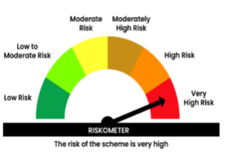

 | Benchmark name -BSE 500 Index (TRI)
 | Benchmark Risk-o-meter

Abakkus Liquid Fund
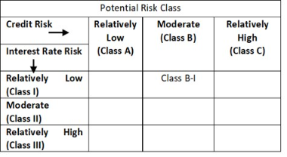
 | Dashboard
ABALI | Abakkus Mutual Fund
 | Abakkus Liquid Fund
 | Monthly Portfolio Statement as on July 31, 2026

 | Name of the Instrument | ISIN | Rating | Quantity | Market/Fair Value (Rs. in Lakhs) | % to Net Assets | YTM | YTC^
 | Debt Instruments
 | (a) Listed / awaiting listing on Stock Exchanges
POWF483 | 6.09% Power Finance Corporation Limited (27/08/2026) ** | INE134E08LK2 | CRISIL AAA | 2,500,000 | 2,498.62 | 5.17 | 6.50%
LICH678 | 7.8650% LIC Housing Finance Limited (20/08/2026) ** | INE115A07QT1 | CRISIL AAA | 1,500,000 | 1,500.53 | 3.11 | 6.68%
NBAR719 | 7.50% National Bank For Agriculture and Rural Development (31/08/2026) ** | INE261F08EA6 | CRISIL AAA | 1,000,000 | 1,000.31 | 2.07 | 6.67%
BHFL121 | 7.98% Bajaj Housing Finance Limited (09/09/2026) ** | INE377Y07490 | CRISIL AAA | 500,000 | 500.36 | 1.04 | 6.82%
GOSL410 | 8.36% Godrej Industries Limited (28/08/2026) ** | INE233A08121 | CRISIL AA+ | 500,000 | 500.26 | 1.04 | 7.10%
 | Sub Total |  |  |  | 6,000.08 | 12.43
 | (b) Privately placed / Unlisted |  |  |  | Nil | Nil | Nil
 | Sub Total |  |  |  | Nil | Nil | Nil
 | Total |  |  |  | 6,000.08 | 12.43
 | Money Market Instruments
 | Treasury Bill/Cash Management Bill
TBIL2660 | 91 Days Tbill (MD 20/08/2026) | IN002026X073 | SOVEREIGN | 2,000,000 | 1,994.61 | 4.13 | 5.19%
TBIL2681 | 91 Days Tbill (MD 15/10/2026) | IN002026X156 | SOVEREIGN | 2,000,000 | 1,978.45 | 4.09 | 5.30%
TBIL2679 | 91 Days Tbill (MD 08/10/2026) | IN002026X149 | SOVEREIGN | 1,000,000 | 990.22 | 2.05 | 5.30%
TBIL2682 | 91 Days Tbill (MD 22/10/2026) | IN002026X164 | SOVEREIGN | 1,000,000 | 988.18 | 2.04 | 5.32%
TBIL2653 | 91 Days Tbill (MD 06/08/2026) | IN002026X057 | SOVEREIGN | 500,000 | 499.65 | 1.03 | 5.15%
TBIL2579 | 364 Days Tbill (MD 23/10/2026) | IN002025Z302 | SOVEREIGN | 500,000 | 494.02 | 1.02 | 5.32%
 | Sub Total |  |  |  | 6,945.13 | 14.36
 | Certificate of Deposit
BKBA573 | Bank of Baroda (10/09/2026) ** # | INE028A16LO9 | CARE A1+ | 2,500,000 | 2,482.82 | 5.14 | 6.32%
UNBI485 | Union Bank of India (11/09/2026) ** # | INE692A16LT1 | ICRA A1+ | 2,500,000 | 2,482.26 | 5.14 | 6.36%
PUBA1154 | Punjab National Bank (15/09/2026) ** # | INE160A16UT0 | CARE A1+ | 2,500,000 | 2,480.69 | 5.13 | 6.32%
CANB1100 | Canara Bank (15/09/2026) ** # | INE476A16I18 | ICRA A1+ | 2,500,000 | 2,480.66 | 5.13 | 6.33%
INBK501 | Indian Bank (27/10/2026) # | INE562A16PP5 | CRISIL A1+ | 2,500,000 | 2,460.30 | 5.09 | 6.77%
UTIB1394 | Axis Bank Limited (18/08/2026) ** # | INE238AD6CI6 | CRISIL A1+ | 2,000,000 | 1,994.12 | 4.13 | 6.34%
HDFB1013 | HDFC Bank Limited (10/09/2026) # | INE040A16HL8 | CRISIL A1+ | 2,000,000 | 1,986.07 | 4.11 | 6.40%
HDFB1015 | HDFC Bank Limited (11/09/2026) ** # | INE040A16HN4 | CRISIL A1+ | 1,000,000 | 992.86 | 2.05 | 6.40%
 | Sub Total |  |  |  | 17,359.78 | 35.92
 | Commercial Paper
SIDB669 | Small Industries Dev Bank of India (03/09/2026) ** | INE556F14MI3 | CRISIL A1+ | 2,500,000 | 2,485.59 | 5.14 | 6.42%
NBAR915 | National Bank For Agriculture and Rural Development (11/09/2026) | INE261F14PT0 | CRISIL A1+ | 2,000,000 | 1,985.66 | 4.11 | 6.43%
ICBR686 | ICICI Securities Limited (07/09/2026) ** | INE763G14K20 | CRISIL A1+ | 1,500,000 | 1,489.70 | 3.08 | 6.82%
BGFL1202 | Aditya Birla Capital Limited (26/10/2026) ** | INE674K14CR6 | CRISIL A1+ | 1,500,000 | 1,474.81 | 3.05 | 7.25%
CHOL1127 | Cholamandalam Investment and Finance Company Ltd (17/08/2026) ** | INE121A14YR3 | CARE A1+ | 1,000,000 | 997.09 | 2.06 | 6.66%
KOSE411 | Kotak Securities Limited (19/08/2026) ** | INE028E14WI5 | ICRA A1+ | 1,000,000 | 996.77 | 2.06 | 6.56%
KOSE419 | Kotak Securities Limited (04/09/2026) ** | INE028E14WW6 | CRISIL A1+ | 1,000,000 | 993.68 | 2.06 | 6.83%
LTFL727 | L&T Finance Limited (21/09/2026) | INE498L14GD9 | CRISIL A1+ | 1,000,000 | 990.66 | 2.05 | 6.75%
KOSE427 | Kotak Securities Limited (19/10/2026) ** | INE028E14XJ1 | CRISIL A1+ | 1,000,000 | 984.31 | 2.04 | 7.37%
 | Sub Total |  |  |  | 12,398.27 | 25.65
 | Total |  |  |  | 36,703.18 | 75.93
 | TREPS / Reverse Repo
TRP_030826 | Triparty Repo |  |  |  | 4,982.65 | 10.31 | 5.18%
 | Sub Total |  |  |  | 4,982.65 | 10.31
 | Total |  |  |  | 4,982.65 | 10.31
 | Others
 | Corporate Debt Market Development Fund
CDMD50ME | Corporate Debt Market Development Fund | INF0RQ622028 |  | 811 | 96.66 | 0.20
 | Sub Total |  |  |  | 96.66 | 0.20
 | Total |  |  |  | 96.66 | 0.20
 | Net Receivables / (Payables) |  |  |  | 542.46 | 1.13
 | GRAND TOTAL |  |  |  | 48,325.03 | 100.00

 | ** Securities are classified as non-traded on the basis of Traded data as on Jul 31, 2026 provided by CRISIL and ICRA.
 | # Unlisted Security
 | ^ YTC i.e. Yield to Call is disclosed at security level only for Additional Tier 1 Bonds and Tier 2 Bonds issued by Banks as per AMFI Best Practices Notification 135/BP/91/2020-21 read with SEBI circular SEBI/HO/IMD/DF4/CIR/P/2021/034

 | Notes :
 | (1) The provision made for securities classified as below investment grade or default as of Jul 31, 2026 is Rs.Nil and its percentage to Net Asset Value is Nil.
 | (2) Details of security in default beyond it's maturity date: Nil
 | (3) Plan/ Option wise per unit net asset value are as follows:
 | Plan/Option | As on Jul 31, 2026 | As on Jun 30, 2026
 | Direct Growth | 103.7391 | 103.2225
 | Direct Quarterly IDCW | 100.5638 | 101.5196
 | Regular Quarterly IDCW | 100.5128 | 101.4756
 | Regular Growth | 103.6859 | 103.1765
 | Direct Monthly IDCW | 100.3228 | 100.3433
 | Regular Monthly IDCW | 100.3193 | 100.3404
 | Regular Weekly IDCW | 100.1309 | 100.0963
 | Regular Daily IDCW | 100.0881 | 100.0665
 | Direct Weekly IDCW | 100.1316 | 100.1002
 | Direct Daily IDCW | 100.0881 | 100.0665

 | (4) Details of IDCW declared per unit during the monthly ended As on Jul 31, 2026 are as follows:
 | Plan / Option | IDCW per unit (individual's) | IDCW per unit (Others)
 | Direct Daily IDCW | 0.47733341 | 0.47733341
 | Direct Monthly IDCW | 0.52163747 | 0.52163747
 | Direct Quarterly IDCW | 1.46000000 | 1.46000000
 | Direct Weekly IDCW | 0.46719726 | 0.46719726
 | Regular Daily IDCW | 0.47144899 | 0.47144899
 | Regular Monthly IDCW | 0.51519727 | 0.51519727
 | Regular Quarterly IDCW | 1.46000000 | 1.46000000
 | Regular Weekly IDCW | 0.45853330 | 0.45853330

 | (5) Total Value and percentage of illiquid equity shares: Nil
 | (6) Total outstanding exposure in derivative instruments as on Jul 31, 2026: Nil
 | (7) Total investments in Foreign Securities/ADRs/GDRs/Overseas ETFs as on Jul 31, 2026: Nil
 | (8) Investment in Repo of Corporate Debt securities : Nil
 | (9) The Scheme did not declare any bonus during the Month ended Jul 31, 2026.
 | (10) Amount parked in Short Term Deposits is Nil
 | (11) The Face Value per unit is Rs.100
 | (12) IDCW stands for Income Distribution cum Capital Withdrawal
 | (13) Average maturity of the portfolio: 40 days
 | (14) Details of transactions of (Credit Default Swap) as on Jul 31, 2026 : Nil
 | (15) Instances of Fair valuation of securities or Deviation in valuation from what is provided by valuation agencies : Nil
 | (16) Details of hedging positions through Interest Rate Derivatives (IRS/IRF) is Nil

 | Portfolio Information
 | Scheme Name : Abakkus Liquid Fund
 | Description : Liquid Fund
 | Annualised Portfolio YTM : 6.21%
 | Macaulay Duration : 40 days
 | Residual Maturity : 40 days
 | As on 31st Jul 2026

 | "The Investment Objective of the scheme is to generate optimal returns consistent with moderate levels of risk and high liquidity by investing in debt and money market instruments. “There is no assurance that the investment objective of the Scheme will be achieved."

 | In line with 6.17 of SEBI Master Circular dated March 20, 2026 the name of the scheme's benchmark index and its riskometer is also provided below for information

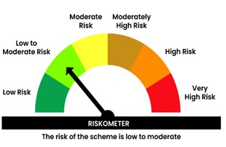

 | Benchmark name - CRISIL Liquid Debt A-I
 | Benchmark Risko-meter

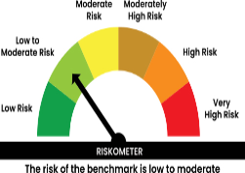

 | In line with 6.18 of SEBI Master Circular dated March 20, 2026 Potential Risk Class (PRC) matrix for the scheme is provided below for information

