Product Labels
Name of Scheme | Scheme Risk-O-Meter | Scheme Benchmark Risk-O-Meter

Abakkus Flexi Cap Fund | Scheme Risk-o-meter# | Benchmark Risk-o-meter# (BSE 500 TRI)
(An open ended dynamic equity scheme investing across large cap, mid cap, small cap stocks)
This product is suitable for investors who are seeking*:
•Capital Appreciation over Long term.
•To generate capital appreciation by investing in equity and equity related instruments across large, mid & small cap stocks.

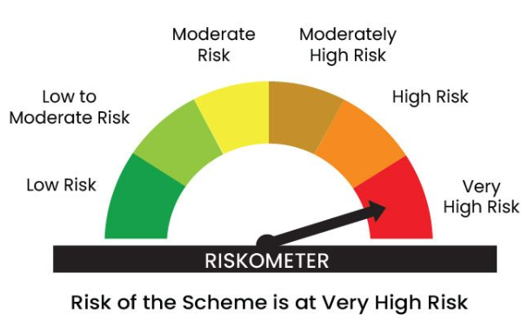
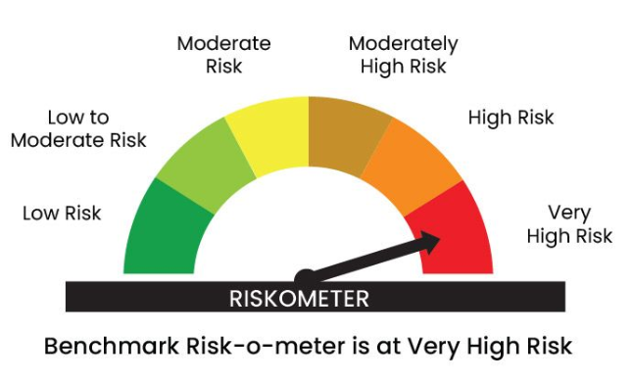
Abakkus Small Cap Fund | Scheme Risk-o-meter# | Benchmark Risk-o-meter# (Nifty Smallcap 250 TRI)
(An open-ended equity scheme predominantly investing in small cap stocks)
This product is suitable for investors who are seeking*:
•Capital Appreciation over the Long term.
•To generate capital appreciation by investing in equity and equity related instruments small cap stocks.

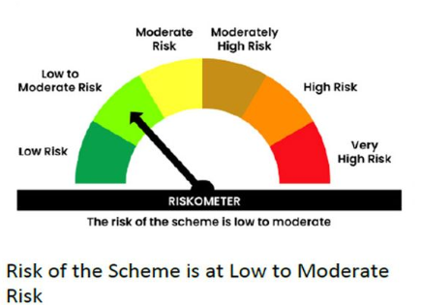
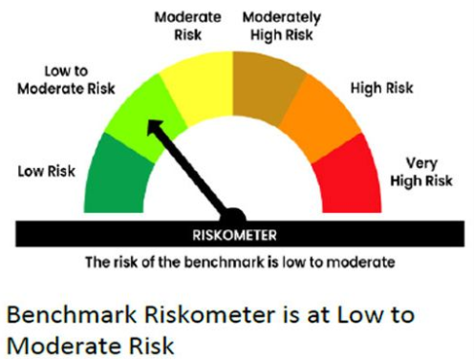
Abakkus Liquid Fund | Scheme Risk-o-meter# | Benchmark Risk-o-meter# (CRISIL Liquid Debt A-1 TRI)
(An open-ended liquid scheme – a relatively low interest rate risk and moderate credit risk)
This product is suitable for investors who are seeking*:
• Income over short term.
• Investments in debt and money market Instruments with maturity upto 91 days.

# Benchmark and Scheme Riskometer as on March 31 2026. For latest risk-o-meter, investors may refer to the Monthly Portfolios disclosed on the website viz. https://www.abakkusmf.com/

Abakkus Flexi Cap Fund
 | Abakkus Flexi Cap Fund

 | Monthly Portfolio Statement as on March 31, 2026
 | Name of the Instrument | ISIN | Industry / Rating | Quantity | Market/Fair Value (Rs. in Lakhs) | % to Net Assets | YTM~ | YTC^ | null
 | Equity & Equity related
 | (a) Listed / awaiting listing on Stock Exchanges
HDFB03 | HDFC Bank Limited | INE040A01034 | Banks | 2,000,000 | 14,631.0000 | 4.66%
RIND01 | Reliance Industries Limited | INE002A01018 | Petroleum Products | 1,000,000 | 13,439.0000 | 4.28%
IBCL05 | ICICI Bank Limited | INE090A01021 | Banks | 1,100,000 | 13,264.9000 | 4.22%
SBAI02 | State Bank of India | INE062A01020 | Banks | 1,100,000 | 10,773.4000 | 3.43%
FEBA02 | The Federal Bank Limited | INE171A01029 | Banks | 3,250,000 | 8,430.5000 | 2.68%
NTPC01 | NTPC Limited | INE733E01010 | Power | 2,246,596 | 8,327.0081 | 2.65%
IFEL01 | Oracle Financial Services Software Limited | INE881D01027 | IT - Software | 120,074 | 8,082.1809 | 2.57%
DIVI02 | Divi's Laboratories Limited | INE361B01024 | Pharmaceuticals & Biotechnology | 135,000 | 8,028.4500 | 2.56%
LARS02 | Larsen & Toubro Limited | INE018A01030 | Construction | 225,000 | 7,884.2250 | 2.51%
LUPL02 | Lupin Limited | INE326A01037 | Pharmaceuticals & Biotechnology | 335,598 | 7,765.4021 | 2.47%
BKBA02 | Bank of Baroda | INE028A01039 | Banks | 3,100,000 | 7,675.6000 | 2.44%
BINL01 | Indus Towers Limited | INE121J01017 | Telecom - Services | 1,799,735 | 7,525.5919 | 2.40%
MCSP02 | United Spirits Limited | INE854D01024 | Beverages | 600,000 | 7,312.8000 | 2.33%
IIFM02 | 360 One WAM Limited | INE466L01038 | Capital Markets | 770,000 | 7,311.9200 | 2.33%
SESA02 | Vedanta Limited | INE205A01025 | Diversified Metals | 1,100,000 | 7,202.8000 | 2.29%
TISC03 | Tata Steel Limited | INE081A01020 | Ferrous Metals | 3,700,000 | 7,098.8200 | 2.26%
INOI01 | Inox India Limited | INE616N01034 | Industrial Products | 599,122 | 7,039.6835 | 2.24%
IPAM01 | ICICI Prudential Asset Management Company Limited | INE346A01027 | Capital Markets | 250,000 | 7,003.7500 | 2.23%
MAHI02 | Mahindra & Mahindra Limited | INE101A01026 | Automobiles | 235,000 | 6,943.5450 | 2.21%
CROM02 | CG Power and Industrial Solutions Limited | INE067A01029 | Electrical Equipment | 1,032,286 | 6,761.9894 | 2.15%
AVAT01 | Avalon Technologies Limited | INE0LCL01028 | Electrical Equipment | 706,282 | 6,554.2970 | 2.09%
AETH01 | Aether Industries Limited | INE0BWX01014 | Chemicals & Petrochemicals | 589,938 | 6,456.8714 | 2.06%
EPOL01 | Emmvee Photovoltaic Power Limited | INE1C6T01020 | Electrical Equipment | 2,943,083 | 6,397.3795 | 2.04%
TMLC01 | Tata Motors Ltd | INE1TAE01010 | Agricultural, Commercial & Construction Vehicles | 1,600,000 | 6,316.8000 | 2.01%
BALN01 | Bajaj Auto Limited | INE917I01010 | Automobiles | 67,000 | 5,883.6050 | 1.87%
IPLI01 | ICICI Prudential Life Insurance Company Limited | INE726G01019 | Insurance | 1,150,000 | 5,859.8250 | 1.87%
ESMC02 | PB Fintech Limited | INE417T01026 | Financial Technology (Fintech) | 400,000 | 5,711.2000 | 1.82%
AJPH03 | Ajanta Pharma Limited | INE031B01049 | Pharmaceuticals & Biotechnology | 199,493 | 5,595.9781 | 1.78%
IINF02 | IIFL Finance Limited | INE530B01024 | Finance | 1,300,000 | 5,595.8500 | 1.78%
PHFP02 | PNB Housing Finance Limited | INE572E01012 | Finance | 710,000 | 5,360.8550 | 1.71%
UCTI01 | Urban Company Ltd. | INE0CAZ01013 | Retailing | 4,500,000 | 5,348.7000 | 1.70%
ARVF01 | Arvind Fashions Limited | INE955V01021 | Retailing | 1,254,208 | 5,060.7293 | 1.61%
WABT01 | ZF Commercial Vehicle Control Systems India Limited | INE342J01019 | Auto Components | 36,136 | 4,975.2045 | 1.58%
DLFL01 | DLF Limited | INE271C01023 | Realty | 950,000 | 4,788.9500 | 1.52%
KACE03 | Kajaria Ceramics Limited | INE217B01036 | Consumer Durables | 498,281 | 4,584.6835 | 1.46%
CYDL01 | Cyient Dlm Ltd | INE055S01018 | Aerospace & Defense | 1,677,790 | 4,568.6222 | 1.45%
KPNE02 | Kirloskar Pneumatic Company Limited | INE811A01020 | Industrial Products | 437,178 | 4,546.6512 | 1.45%
BHAE02 | BEML Limited | INE258A01024 | Agricultural, Commercial & Construction Vehicles | 303,052 | 4,149.9941 | 1.32%
DEFE01 | Deepak Fertilizers and Petrochemicals Corporation Limited | INE501A01019 | Chemicals & Petrochemicals | 435,071 | 3,954.7954 | 1.26%
HEFO02 | Heritage Foods Limited | INE978A01027 | Food Products | 1,298,704 | 3,817.5404 | 1.22%
SCLB01 | Leela Palaces Hotels & Resorts Limited | INE0AQ201015 | Leisure Services | 789,154 | 3,232.3748 | 1.03%
SULS01 | Supriya Lifescience Limited | INE07RO01027 | Pharmaceuticals & Biotechnology | 524,516 | 2,947.2554 | 0.94%
EDCA02 | Edelweiss Financial Services Limited | INE532F01054 | Finance | 2,553,699 | 2,545.2718 | 0.81%
FRAN01 | Fractal Analytics Ltd | INE212S01015 | IT - Software | 166,656 | 1,265.6690 | 0.40%
 | Sub Total |  |  |  | 288,021.6685 | 91.69%
 | (b) Unlisted |  |  |  | NIL | NIL
 | Sub Total |  |  |  | NIL | NIL
 | Total |  |  |  | 288,021.6685 | 91.69%
 | Money Market Instruments
 | Commercial Paper
KOSE387 | Kotak Securities Limited (19/05/2026) ** | INE028E14UZ3 | CRISIL A1+ | 700 | 3,461.8710 | 1.10% | 8.38%
ICBR660 | ICICI Securities Limited (11/06/2026) ** | INE763G14F84 | CRISIL A1+ | 200 | 985.0080 | 0.31% | 7.82%
 | Sub Total |  |  |  | 4,446.8790 | 1.41%
 | Total |  |  |  | 4,446.8790 | 1.41%
 | Reverse Repo / TREPS
TRP_020426 | Clearing Corporation of India Ltd |  |  |  | 15,276.2054 | 4.86% | 6.68%
 | Sub Total |  |  |  | 15,276.2054 | 4.86%
 | Total |  |  |  | 15,276.2054 | 4.86%
 | Net Receivables / (Payables) |  |  |  | 6,323.7001 | 2.04%
 | GRAND TOTAL |  |  |  | 314,068.4530 | 100.00%

 | Footnote
 | In line with 5.16 of SEBI Master Circular dtd June 27, 2024, the name of the scheme's benchmark index and its riskometer is also provided below for information
 | ** Securities are classified as non-traded on the basis of Traded data as on March 30, 2026 provided by CRISIL and ICRA.

 | "The primary investment objective of the scheme is to generate capital appreciation & provide long-term growth opportunities through equity and equity related instruments by investing in a diversified portfolio of large cap, mid cap and small cap securities and the secondary objective is to generate consistent returns by investing in debt and money market securities. “There is no assurance that the investment objective of the Scheme will be achieved."

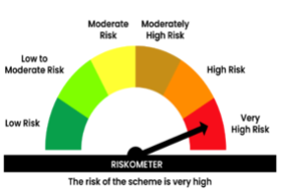

 | Benchmark name -BSE 500 Index (TRI)
 | Benchmark Risk-o-meter

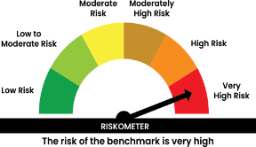

Abakkus Liquid Fund
 | Abakkus Liquid Fund

 | Monthly Portfolio Statement as on March 31, 2026
 | Name of the Instrument | ISIN | Rating | Quantity | Market/Fair Value (Rs. in Lakhs) | % to Net Assets | YTM~ | YTC^ | null
 | Money Market Instruments
 | Certificate of Deposit
SIDB604 | Small Industries Dev Bank of India (05/05/2026) # | INE556F16BH3 | CRISIL A1+ | 200 | 992.6940 | 5.48% | 7.90%
UNBI451 | Union Bank of India (15/05/2026) # | INE692A16KC9 | ICRA A1+ | 200 | 990.5630 | 5.47% | 7.90%
...
 | Footnote
 | YTM~ | ~ YTM as on March 31, 2026
 | YTC^ | ^ It is disclosed for Perpetual Bond issued by Banks (i.e. AT-1 Bond / Tier 1 Bond / Tier 2 Bond), as per AMFI Best Practices Guidelines Circular no. 91/2020-21 dated March 24, 2021 on Valuation of AT-1 Bonds and Tier 2 Bonds. As per SEBI Circular SEBI/HO/IMD/PoD1/CIR/P/2024/106 dated August 05, 2024, valuation of AT-1 Bonds are done on Yield to Call basis w.e.f. August 07, 2024. YTC of AT-1 Bonds are now same as it’s YTM% and hence it is not disclosed separately under YTC%.
 | ** Non Traded Security
 | ** Securities are classified as non-traded on the basis of Traded data as on March 30, 2026 provided by CRISIL and ICRA.
 | # Unlisted Srecurity

 | "The Investment Objective of the scheme is to generate optimal returns consistent with moderate levels of risk and high liquidity by investing in debt and money market instruments. “There is no assurance that the investment objective of the Scheme will be achieved."

 | In line with 5.16 of SEBI Master Circular dated June 27, 2024" the name of the scheme's benchmark index and its riskometer is also provided below for information
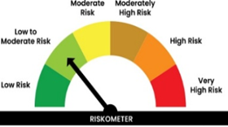

 | Benchmark name - CRISIL Liquid Debt A-I TRI
 | Benchmark Risko-meter
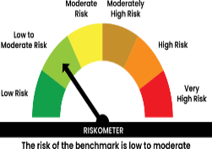

 | In line with 17.5 of SEBI Master Circular dated June 27, 2024 Potential Risk Class (PRC) matrix for the scheme is provided below for information
